Table Description
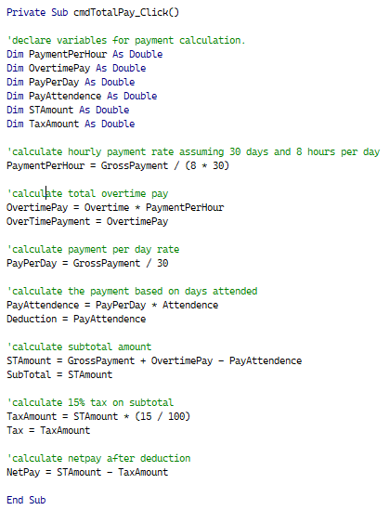
Main Table Name | Description | Field Names | Primary key / Foreign Key
Attendence | Marks the attendance of each employee | Employee ID | Foreign Key | Calculation of Payment to each Employee:
 |  | Mark
 |  | Permission
 |  | Reason
 |  | Note

Book | Keeps track of books (newly purchased) | Book ID | Primary Key
 |  | Name
 |  | Price
 |  | Quantity
 |  | Total
 |  | Writer
 |  | Registration Date
 |  | Recorded by

Book Lending Form | Records info about lending book to students | Book ID | Foreign key
 |  | PricePerDay
 |  | Total Days
 |  | Total
 |  | First Name
 |  | Last Name
 |  | Age
 |  | Gender
 |  | Phone Number
 |  | ID

Employee Registration | Keeps track of employee registration | Employee ID | Primary key
 |  | First Name
 |  | Middle Name
 |  | Last Name
 |  | Age
 |  | Gender
 |  | Date Of Birth
 |  | Email
 |  | Phone Number
 |  | Country
 |  | City/Town
 |  | Address 1
 |  | Address 2
 |  | Photo
 |  | Job Type
 |  | Gross Payment
 |  | Education Files
 |  | E First Name
 |  | E Last Name
 |  | E Phone Number
 |  | E Email
 |  | E Photo

Job Application | Keeps track of vacancies available in Library | Job ID | Primary Key
 |  | Job Name
 |  | Payment
 |  | Field Required
 |  | Educational Status
 |  | Work Experience
 |  | Day of Examination
 |  | Place of Examination
 |  | Other Requirements
 |  | Note

Payment | Keeps track of payment for each new registered employee | Employee ID | Foreign Key
 |  | Overtime
 |  | OverTime Payment
 |  | Attendence
 |  | Deduction
 |  | Sub Total
 |  | Tax
 |  | Net Pay

Store Form | Keeps track of Library equipment | Item ID | Primary key
 |  | Name
 |  | Category
 |  | Size
 |  | Price
 |  | Amount
 |  | Total
 |  | Current Date
 |  | Recorded By

